1. Title Page
[Grocery Basket]

Project Name: Instacart Grocery Basket Analysis
Date: 29.03.2023
Analyst Name: Gustaf Folger

Contents:
Population Flow
Consistency checks
Wrangling steps
Column derivations
Visualizations
Recommendations

Data source: https://www.instacart.com/datasets/grocery-shopping-2017

2. Population Flow
Population flow

Exclusion flag
Condition: max_order < 5
Obervations to be removed: Customer PII 2 columns ( First name and surname) , date joined
Final total count of order_products_all: 30,964,564

Orders_products_combined
Orders_products_merged
final_prod_ords_cust

Total: 32,434,489
Total: 32,404,859
Total: 30,964,564

1.) The grey boxes in the first row of the population flow represent the original data sets as they were when you downloaded them. In the Total fields you need to add the count of the rows when you imported the data set into Jupyter.
2.) The second row of boxes (coloured) represents the data sets after you manipulated them, e.g., removed missing values and duplicates. In the Total fields you need to add the count of the rows after conducting these operations. This offers a visual oveview of how the data flows throughout the data consistency checks.
3.) The third row, where also the arrows are coloured, represents the merges you performed between the datasets. In the Total fields you need to add the count of the rows in the merged datasets, so that you end up with the final dataset (in the red box). Keep in mind the final dataset should be without exclusions (based on the exclusion flag).

3. Consistency checks
 |  |  |  | Title page
Consistency checks

Dataset | Missing values | Missing values treatment | Duplicates
orders | 206,209 NaN values in "days_since_prior_order" | Missing values convey that an order was a customer's first and are as such not removed. | 0
products | 16 NaN values in "product_name" | Removed from dataset | 5 removed
orders_products_prior | 0 | None | 0
customers | 0 | None | 0

4. Wrangling steps
 |  |  |  | Title page
Wrangling steps

Columns dropped | Columns renamed | Columns' type changed | Comment/Reason
Orders dataset
eval_set |  |  | Column unneeded for purpose of the analysis
 | order_dow to order_day_of_week |  | More informative name
 |  | user_id to string | Works as a unique identifier
 |  | order_id to string | Works as a unique identifier
Customers dataset
first_name |  |  | Deleted due to PII
surname |  |  | Deleted due to PII
 |  | user_id to string | Works as a unique identifier

5. Column derivations
 |  |  |  | Title page

Column derivations and aggregations

In this tab you should add tables below that the frequences of flags/label variables that you produced after deriving them. NB: don't do this for continuous variables, only for flags.
Dataset | New column | Column/s it was derived from | Conditions
orders_producsts_merged | busiest_day | orders_day_of_week | result = [] for value in df_merged["orders_day_of_week"]: if value == 0: result.append("Busiest day") elif value == 4: result.append("Least busy") else: result.append("Regularly busy")
orders_producsts_merged | busiest_days | orders_day_of_week | result = [] for value in df_merged["orders_day_of_week"]: if value == 0 or value ==1: result.append("Busiest days") elif value == 4: result.append("Least busy") else: result.append("Regularly busy")
orders_producsts_merged | busiest_period_of_day | order_hour_of_day | result = [] for value in df_merged["order_hour_of_day"]: if value < quantiles[2]: result.append('Fewest orders') elif value >= quantiles[2] and value < quantiles[1]: result.append('Average orders') elif value >= quantiles[1]: result.append('Most orders')
orders_products_flags | max_order | user_id, order_number | df['max_order'] = df.groupby(['user_id'])['order_number'].transform(np.max)
orders_products_flags | loyalty_flag | max_order | df.loc[df['max_order'] > 40, 'loyalty_flag'] = 'Loyal customer' df.loc[(df['max_order'] <= 40) & (df['max_order'] > 10), 'loyalty_flag'] = 'Regular customer' df.loc[df['max_order'] <= 10, 'loyalty_flag'] = 'New customer'
orders_products_flags | average_price | user_id, prices | df['average_price'] = df.groupby(['user_id'])['prices'].transform(np.mean)
orders_products_flags | spending_flag | average_prices | df.loc[df['average_price'] < 10, 'spending_flag'] = 'Low spender' df.loc[df['average_price'] >= 10, 'spending_flag'] = 'High spender'
orders_products_flags | average_dspo | user_id, days_since_prior_order | df['average_dspo'] = df.groupby(['user_id'])['days_since_prior_order']. transform(np.mean)
orders_products_flags | frequency_flag | average_prices | df.loc[df['average_dspo'] > 20, 'frequency_flag'] = 'Non-frequent customer' df.loc[(df['average_dspo'] <= 20) & (df['average_dspo'] > 10), 'frequency_flag'] = 'Regular customer' df.loc[df['average_dspo'] <= 10, 'frequency_flag'] = 'Frequent customer'
orders_products_flags | activity_flag | max_order | df.loc[df['max_order'] <5, 'activity_flag'] = 'Inactive User' df.loc[df['max_order'] >=5, 'activity_flag'] = 'Active User'
active_customers | region | state | Northeast = ['Maine', 'New Hampshire', 'Vermont', 'Massachusetts', 'Rhode Island', 'Connecticut', 'New York', 'Pennsylvania', 'New Jersey'] Midwest = ['Wisconsin', 'Michigan', 'Illinois', 'Indiana', 'Ohio', 'North Dakota', 'South Dakota', 'Nebraska', 'Kansas', 'Minnesota', 'Iowa', 'Missouri'] South = ['Delaware', 'Maryland', 'District of Columbia', 'Virginia', 'West Virginia', 'North Carolina', 'South Carolina', 'Georgia', 'Florida', 'Kentucky', 'Tennessee', 'Mississippi', 'Alabama', 'Oklahoma', 'Texas', 'Arkansas', 'Louisiana'] West = ['Idaho', 'Montana', 'Wyoming', 'Nevada', 'Utah', 'Colorado', 'Arizona', 'New Mexico', 'Alaska', 'Washington', 'Oregon', 'California', 'Hawaii']
active_customers | age_group | age | df_active.loc[df_active['Age'] <= 30, 'age_group'] = 'Young' df_active.loc[(df_active['Age'] > 30) & (df_active['Age'] < 60), 'age_group'] = 'Middle aged' df_active.loc[df_active['Age'] >= 60, 'age_group'] = 'Elderly'
active_customers | income_group | income | df_active.loc[df_active['income'] <= 50000, 'income_group'] = 'Low income' df_active.loc[(df_active['income'] > 50000) & (df_active['income'] < 100000), 'income_group'] = 'Middling income' df_active.loc[df_active['income'] >= 100000, 'income_group'] = 'High income'
active_customers | dependant_group | n_dependants | df_active.loc[df_active['n_dependants'] == 0, 'dependant_group'] = 'Childless' df_active.loc[(df_active['n_dependants'] == 1) | (df_active['n_dependants'] == 2), 'dependant_group'] = 'Few children' df_active.loc[df_active['n_dependants'] >= 3, 'dependant_group'] = 'Many children'
active_customers | household | n_dependants, fam_status | df_active.loc[(df_active['fam_status'] == 'married') & (df_active['n_dependants'] == 0), 'household'] = 'Couple' df_active.loc[(df_active['fam_status'] == 'married') & (df_active['n_dependants'] >= 1), 'household'] = 'Family' df_active.loc[(df_active['fam_status'] == 'divorced/widowed') | (df_active['fam_status'] == 'single'), 'household'] = 'Single' df_active.loc[(df_active['fam_status'] == 'divorced/widowed') & (df_active['n_dependants'] >= 1 ), 'household'] = 'Single Parent' df_active.loc[df_active['fam_status'] == 'living with parents and siblings', 'household'] = 'Family'
active_customers | vegan | department | result = [] for value in df_active['department_id']: if value not in (12, 16): result.append('Vegan') else: result.append('Non-Vegan')
active_customers | pet_owner | department | df_active.loc[df_active['department'] == 'pets', 'pet_owner'] = 'Has Pets' df_active.loc[df_active['department'] != 'pets', 'pet_owner'] = 'No Pets'
active_customers | has_baby | department | df_active.loc[df_active['department'] == 'babies', 'has_baby'] = 'Yes' df_active.loc[df_active['department'] != 'babies', 'has_baby'] = 'No'

6.Recommendations
 |  |  | Title page

Visualisations and Recommendations

In this tab you should include all the visualtions from Exercises 4.9 and 4.10, alongside the questions from the project brief that they answer. Include any commentary on the relationship between different variables.

Final recommendations:

1. | Focus primarily on the South as that's our largest market.
2. | Promote the freshness of products as the main departments we sell products from are produce and dairy/eggs.

3. | Provide incentives to regular users in order to make increase the amount of newcomers become regulars
4. | Research why young people are a much lower share of our customer base than other age groups. In theory this service should be very appealing to young people.

5. | Use advertising to target parents. These could focus on the ease of having groceries delivered versus going to the supermarket personally. Amplify the point that busy parents can use this to make life easier.

Which age groups present the biggest share of our customers?

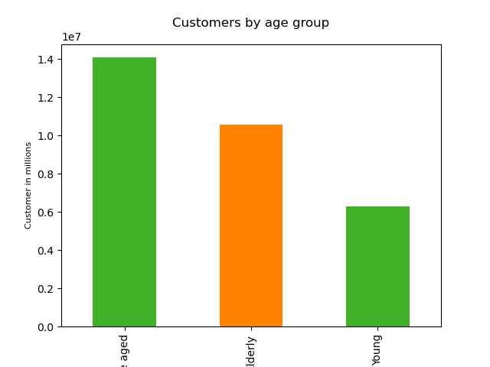
 |  | Middle aged people are the largest segment of our customers with the elderly in the middle and young people coming in far lower.

Which income groups present the biggest share of our customers?

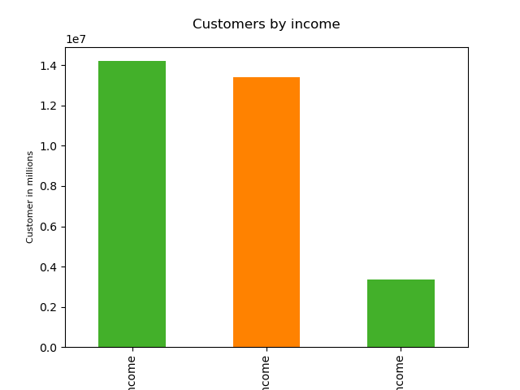
 |  | Middle and high income people make up a nearly equal share of our customers. Low income people only account for a fraction of our total orders.

What family structures do our customers have?
 |  |  |  | Most of our customers are in families; half have 1 or 2 children, one quarter have more children, the other quarter is childless.
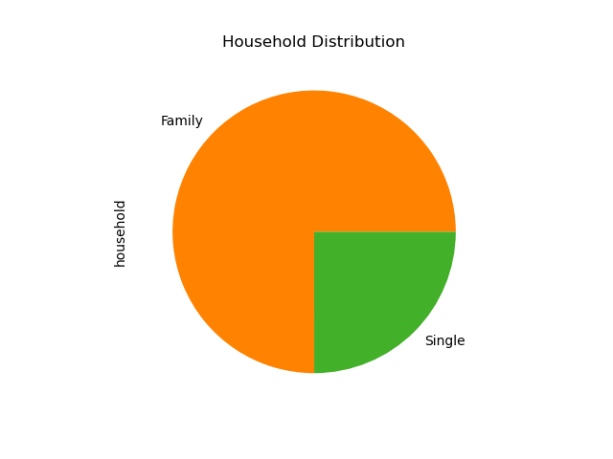
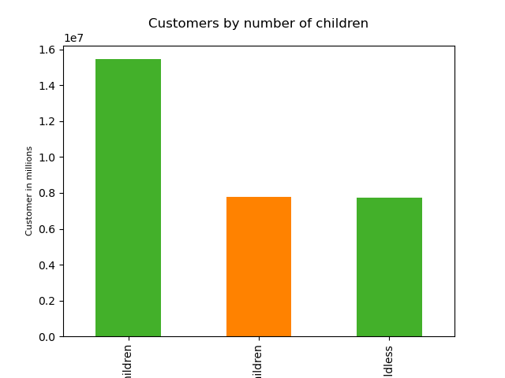

What share of our customers are vegan?

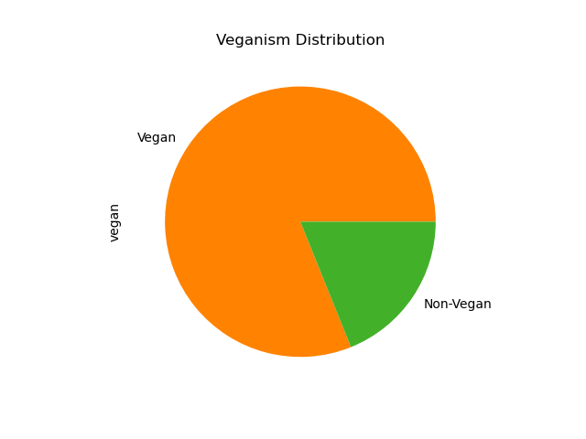
 |  | The majority of our customers are vegan.

What share of our customers have pets?

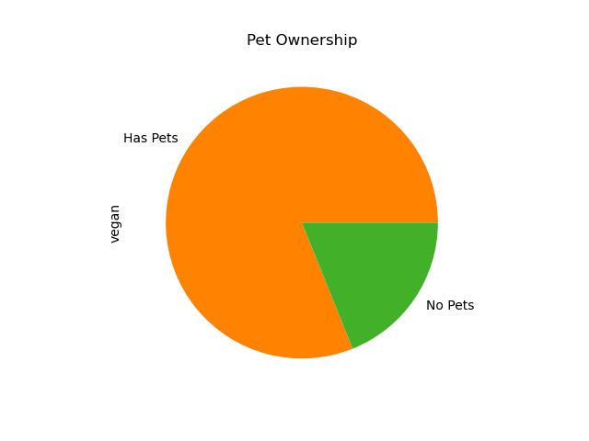
 |  | The majority of our customers do not have pets.

What share of our customers have babies?

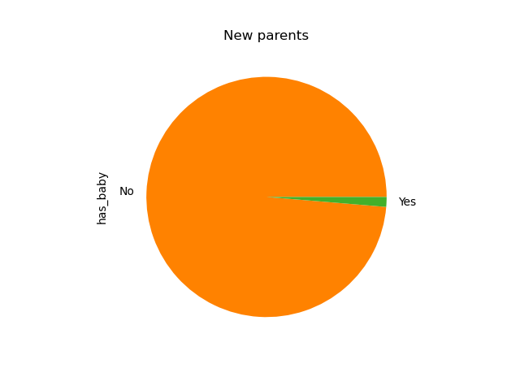
 |  | Nearly all of our customers do not have babies.

What regions are our customers located in?

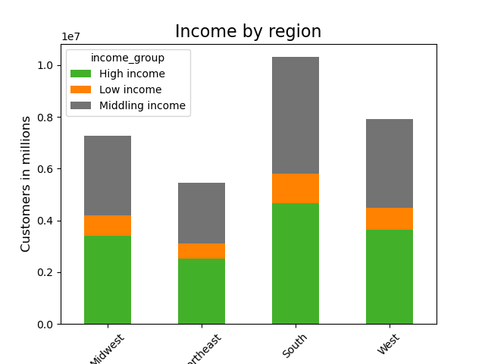
 |  | The South is our biggest market.

What departments sell the most products and by what age group?

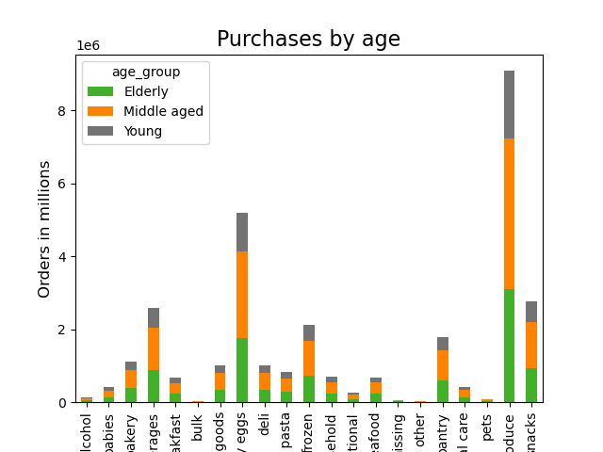
 |  | Age does not seem to have a massive impact on producst purchasing habits. Produce and dairy/eggs sell far, far more items than any other departments.

